Diagram
 | Displacement at mid-span [mm]
0.00E+00 | 0.00E+00
1.00E-02 | -2.98E-01
2.00E-02 | -5.96E-01
3.00E-02 | -8.94E-01
4.00E-02 | -1.19E+00
5.00E-02 | -1.49E+00
6.00E-02 | -1.79E+00
7.00E-02 | -2.09E+00
8.00E-02 | -2.39E+00
9.00E-02 | -2.68E+00
1.00E-01 | -2.98E+00
1.10E-01 | -3.28E+00
1.20E-01 | -3.58E+00
1.30E-01 | -3.88E+00
1.40E-01 | -4.17E+00
1.50E-01 | -4.47E+00
1.60E-01 | -4.77E+00
1.70E-01 | -5.07E+00
1.80E-01 | -5.37E+00
1.90E-01 | -5.67E+00
2.00E-01 | -5.96E+00
2.10E-01 | -6.26E+00
2.20E-01 | -6.56E+00
2.30E-01 | -6.86E+00
2.40E-01 | -7.16E+00
2.50E-01 | -7.46E+00
2.60E-01 | -7.75E+00
2.70E-01 | -8.05E+00
2.80E-01 | -8.35E+00
2.90E-01 | -8.65E+00
3.00E-01 | -8.95E+00
3.10E-01 | -9.25E+00
3.20E-01 | -9.54E+00
3.30E-01 | -9.84E+00
3.40E-01 | -1.01E+01
3.50E-01 | -1.04E+01
3.60E-01 | -1.07E+01
3.70E-01 | -1.10E+01
3.80E-01 | -1.13E+01
3.90E-01 | -1.16E+01
4.00E-01 | -1.19E+01
4.10E-01 | -1.22E+01
4.20E-01 | -1.25E+01
4.30E-01 | -1.28E+01
4.40E-01 | -1.31E+01
4.50E-01 | -1.34E+01
4.60E-01 | -1.37E+01
4.70E-01 | -1.40E+01
4.80E-01 | -1.43E+01
4.90E-01 | -1.46E+01
...

Deflected shape
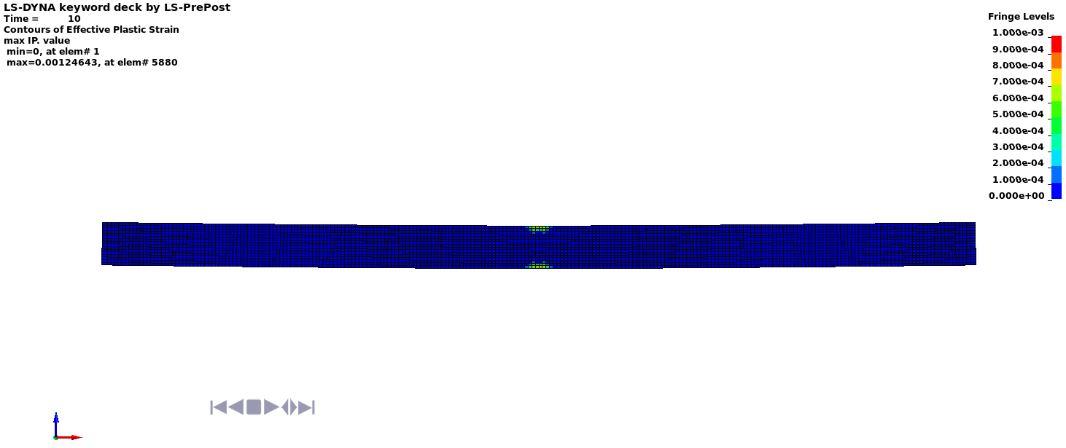

Deflected shape with visible contours of plasticity - side view

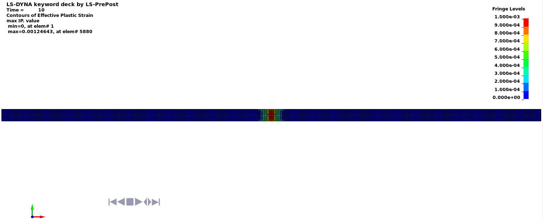

Deflected shape with visible contours of plasticity - top view

